Concept developing
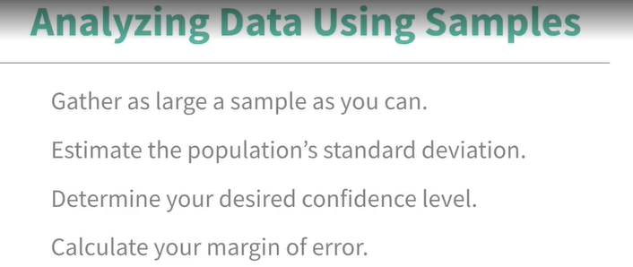

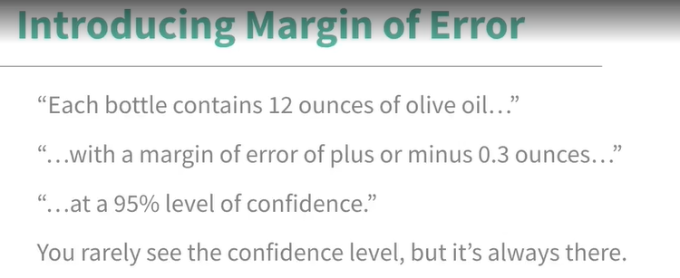

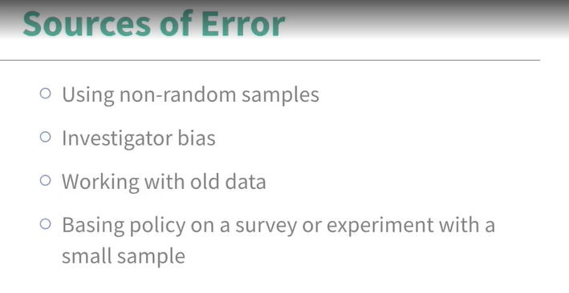

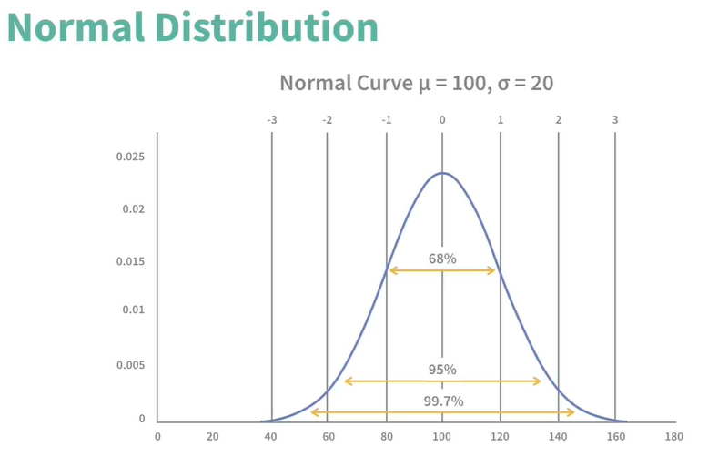

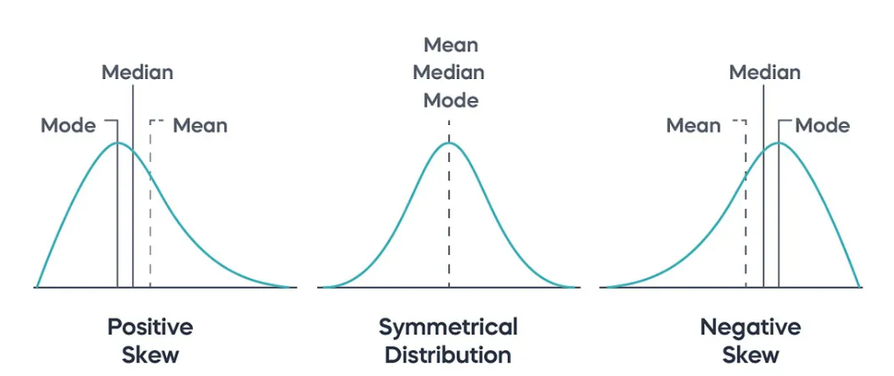

01_Sample margin of Error
$$z ∗\frac{σ}{\sqrt{n}}$$
Sample Margin of Error
 |  | z-scores
Standard Deviation | 0.1
Certainty Level | 95% | Confidence Level | z-score
z-score |  | 80% | 1.28
Number of Measurements (n) | 40 | 90% | 1.645
 |  | 95% | 1.96
Standard Error | 0.016 | 98% | 2.33
 |  | 99% | 2.58
Margin of Error | 0.015

